POA Entity List
Country | Legal Office Name | List of Board of Directors/ Legal Representatives | Frequency of Boards Meetings Required | Notes from Lawyers on Update Entity | Annual Costs and Fees for Entity | Notes/Issues | Action Steps & Timeline | Next Steps as of Meeting on 1/8/26 | Asset Sale Income
Dominican Republic | Fundacion Quisqueya por las Americas, Inc. | 1. John McPhail - President 2. Michael Moscarelli - Vice Presient 3. Carmen Pena - Tresurer 4. Leandro Corral - Legal Representative | 1 per year and must be held between January - March annually | Minimum 3 people required on the board in DR, with one the legal representative beginning based in DR | Regarding the address, it would be provided by Leandro Corral, and the cost would be US$700.00 per year. The address would be in the National District. Payable annually. Maintaining operations at zero during suspension the cost would be US$200 per month for monthly filing to DGII (tax authorities) . Total costs $3,100 | Sold 2 of 3 vehicles. Issue with last vehicle battery need to replace before sale as the vehicle does not start. We will replace week of 11/10. Still cannot find buyers for this last vehicle. Incurring additional organization fees, if we do not sell and close the entity by 12/31, see column R for costs. Gustavo will reach out to Rafa to close the entity Ask Rafa if able to get bank closure tasks/costs and overall legal entity dissolution costs | 1. Immediately start to sell all 3 vehicles in DR. Complete sale by 11/30. 2 of 3 vehicles are in progress to sell. One last one needs to be sold and contract signed by Michael and sent down to DR. Can sell quicker if we lower the price. 2. 11/4 - Call extraordinary board meeting. Requires 3 day notice. 3. 11/12 - Hold extraordinary board meeting. Minimum 3 members present. Also pending Leandro's availability - John's availablity 11/12 3pm - 5pm EST or 11/13 from 9AM - 12PM. 4. 11/13 - Publish disolution in papers as required. Approx. $150. 5. 11/17 - 11/21 - Have accountants (DGC) file all the monthly tax filings (even if nil) at $200/month from June- December total $1,400. This ensure entity financials are up to date, and the disolution can begin. File final Declaración Jurada. 6. 11/21 - Have signed, notarized, and finalize meeting minutes from extraordinary board meeting. 7. 11/24 - 11/30 - File meeting minutes with Procuraduría General with lawyer. 8. 12/1 - Close local bank account and return funds to the US to prepare for final financial audit. 9. 12/2-12/5 - Have lawyer file disolution paperwork and notify authorities including Procuraduría General, DGII, cancel tax ID etc. Cost is about $3,000 for lawyers. There is no clear timeline for this process and it usually takes 1-6 months according to our lawyer. Follow up documentation or filing may be requested during this time. | 1. Gustavo to follow up on last vehicle contract. 2. Danielle /Gustavo follow up to request meeting with lawyers to negotiate fee - duplicate cost of accounting, when our DYG will do it. Also we already paid legal representation and domicle fees in July 31, 2025 to Leandro and his firm. 3. Once payment made, Danielle coordinate with Rossy to send wire to US, and close bank account. 4. Rossy's contract ends 1/31/26, so try to wrap up everything we need with her by that date.
Ecuador | Partners of the Americas Inc. Ecuador | 1. John McPhail - President 2. Carmen Peña - Treasurer 3. Michael Moscarelli - Secretary 4. Alexis Naranjo - Legal Representative |  |  |  | Not a legal entity | None already notified Ministry to end registration process.
Guatemala | Partners of the Americas Inc. Guatemala | 1. Pascale Wagner -President and Legal Representative 2. John McPhail - Vice President 3. Carmen Peña - Treasurer 4. Michael Moscarelli - Secretary 5. Stephanie Verganza - Vocal (Member) | Boarding meeting is once every 6 months and can be in person or virtual or combination. The meeting must include at least 4 members. General Assembly is called once every year normally in August. General Assembly is called by the Board of Directors with 30 day notice to members, and can be in person or virtual. The General Assembly can be convened with 8 days notice. The notice must indicate the primary reason for the meeting, date, time, and place of meeting. Extraordinary General Assembly may be called and an agenda provided. Extraordinary meetings are called as needed. | Minimum 5 people required on the board in Guatemala, with one the legal representative beginning based in Guatemala | T&M Mercantil, Sociedad Anonima - $150/month for accounting & SAT filing. Fee in December 2025 is $300. Total annual fees for accounting $1,950. | The two vehicles under our name, requires Pascales physical presence in Guatemala for the sale. We are lining up buyers, but Pascale is out of the country for the next few weeks. This will delay our closeout until she is back. We will incur more fees for the entity as we cannot close on time without Pascale in country. See fees in column R. Julia and her family will be buying the two vehicles with title issues. She will have to work to re-active the old chapter, re-register with SAT, etc. and the chapter will have to sign the sale documents to transfer the vehicle per gudiance from our lawyers. This process can take a few months, and the buyers would cover the legal fees and costs associated with this, as we are accepting a lower price for the sale, given these issues. We will not recieve the proceeds until the title issue is completed. We currently have 4 vehicles in Guatemala waiting for disposition approval from USAID on our plan for either retention or sale. POA is only able to legally sell two of the four vehicles once USAID approves. The other two vehicles are titled in the name of the old chapter, and that chapter has since been dissolved. Given that in dissolved status, which was an error on the part of the Guatemalan government, we are not able to legally sell those vehicles and transfer the title. For the last year and a half, we've been working with the lawyer to try to reactivate the chapter temporarily to transfer the vehicle title to our entity in country and then redissolve the old chapter. However, this process has proven to be extremely challenging as the government is unsure of how to transfer this title. | 1. Immediately start to sell all 4 vehicles in Guatemala. Complete sale by 11/30. Note 2 would have to be sold at a discounted price, since we can't provide the title, however, they now are below $10K and don't require USG approval. The other 2 vehicles require USAID approval, or we proceed as stated in our disposition plan. Requires Pascale to sign all paperwork to sell vehicles and get notarized locally. Dependent on Pascale's availability. 2. 11/3 - Call extraordinary general assessmbly meeting. Requires 8 day notice. The notice must indicate the primary reason for the meeting, date, time, and place of meeting. 3. 11/13 - Hold extraordinary general assembly meeting. Minimum 4 members present 4. 11/17 - 11/21 - Have accountants (T&M) file all the monthly tax filings (even if nil) at $150/month from June- December, plus the annual SAT fee due in December of $300. Total fees $1,350. This ensure entity financials are up to date, and the disolution can begin. 5. 11/21 - Have signed, notarized, and finalize meeting minutes from extraordinary meeting. 6. 11/24 - 11/30 - File meeting minutes with REPEJU with lawyer and Pascale. 7. 12/1 - Close local bank account and return funds to the US to prepare for final financial audit. 8. 12/2-12/5 - Have lawyer file disolution paperwork and notify authorities including REPEJU, SAT, etc. There is no clear timeline for this process and it usually takes 3-12 months according to our lawyer. Follow up documentation or filing may be requested during this time. *Note lawyer warned that it is very expensive if we need to incorporate in the future, and did not recommend closing if we planned any future activities. | 1. Gustavo to follow up on vehicle paperwork. 2 vehicles (with issues) (Danielle and Aurda) and Chevy Colorado sold to Julia's family. Jose bought Ford Explorer. All payments received. Gustavo will email Julia for update on sale contracts and Pascale signing to release. 2. Ready to close the bank and send wire back to the US, Danielle will follow up to close. 3. Gustavo will have Stephanie send $260 payment to lawyers. 4. Stephanie will modify Julia agreement to end date of 1/31/26. 5. Stephanie will modify accountants and lawyer contracts to 3/31/26. 6. Danielle will delegate to Julia to work with accountants to prepare final declarations and financials. 7. Gustavo will email lawyer Hebierto to get the paperwork started with Pascale to formally close the entity.
Guyana | Washington, DC Partners of the Americas Guyana Inc. - Guyana | 1. John McPhail - Director 2. Michael Moscarelli - Director 3. Carmen Pena - Director 4. Jermaine Joseph - Legal Rrepresentative | As needed | Note, do not need to be an NGO as tax exemption is based on direct discussions with department of revenue in Guyana. Entity type has no affect on result. | $300 for filing of annual returns, and $85 for statutory obligations (2A and 2B reports) | Jermaine has been unwilling to actively sell the vehicles because the issue with the chapter. We need to get the chapter to sign off on the vehicle sale. Need John/Carmen to get involved to push the Chapter (specifcally Terrance) to sign. Gustavo spoke with Kelvin on 11/6 who is helping on the side push for the Chapter to sign. Said Terrance is out of the hospital but needs another week for recovery. Unless we can sell the vehicles and close down the entity before 12/31, we will incur the annual fees for 2026, see column R for cost breakdown. 'Need to sell vehicles once USAID approves disposition of the vehicles, a vehicle in the Chapter name | 1. Immediately start to 2 vehicles in Guyana. Complete sale by 11/30. Note major issue is that we need the Chapter to sign the sale of the vehicles. Also pending USAID approval or that we will proceed as planned in the disposition plan. 2. 11/3 - Call board meeting for following week. (no minimum number of days prior to call it). 3. 11/10 - Hold board meeting, and choose to disolve the entity. 4. 11/11 - 11/21 - Have accountants (Guyana Payroll Solutions) file annual returns. Total fees $300. This ensure entity financials are up to date, and the disolution can begin. 5. 11/21 - Have signed, notarized, and finalize meeting minutes from board meeting. 6. 12/1 - Close local bank account and return funds to the US. 8. 12/2-12/5 - Have lawyer file disolution paperwork and notify the Registrar. Cost: $2.500 Process takes about 1-2 months to disolve once paperwork is filed. | 1. Kelvin and Chapter are going re-title vehicles on 1/13/26. Once sale goes through, the chapter will get $1K USD per vehicle. 2. Danielle will email Jermaine about how frequent the vehicles are driven. Also to improve the posting online of the vehicles, and look for paid options to post vehicle sale. 3. Jermaine will need to find reasonable buyers within 2 weeks.
Jamaica | Partners Technical Exchange Jamaica Limited | 1. Simone Williams (old admin assistant for F2F) - Director 2) Marsha Johnson - Secretary 3) Danielle Martin - Director (need to update with Carmen/ John next time in country) |  | The lawyers recommended this set up to continue as it is similar to how Winrock and other International NGOs set up. With the local charity we need one person with a local TRN and local contact information, which is Marsha currently. The minimum positions for the board in Jamaica is a director and secretary, the more people that get added the more complicating tax and other filings become, so 3 people are recommended with 1 minimum being local. The lawyer said to directly connect the local charitable entity to POA DC, is to create a legal agreement between the two to allow use of the logo, name etc. She is drafting a similar legal document for POA DC and the local Jamaica entity. We can update the board and add directors in Jamaica who are US citizens, the process can be done remotely and takes about 6 weeks (in person is same day service). Revoking board members can be done within 1 week. | $1,750 for tax filings and $2,000 for annual audit and can pay ABTAX for these services annually | Marsha as of 10/30 has stopped responding to POA and has been very angry. She is upset that POA won't let the entity (she believes she owns the entity) retain 30% of the funds from the sales. Flagged issue for Carmen and Debbie, as Marsha has full control on the bank account and vehicles, major risk for our assets in country. Unless we can sell the vehicles and close down the entity before 12/31, we will incur the annual fees for 2026, see column R for cost breakdown. Marsha & Simone would need to agree to close down the entity. They may not want to as Marsha is still doing some work under the foundation. Still waiting on USAID dispostion plan approval to retain/sell the 2 vehicles in country. | Registration is valid until 6/11/2026. Need to pay the fee for close down the entity by April 1, 2026. Steps to close: 1. Immediately start to sell 2 vehicles in Jamaica. Complete sale by 11/30. These vehicle are waiting on USAID approval to dispose of, or we should proceed as stated in the disposition plan. 2. 11/17 - Call board meeting with local board members. 3 day notice required. 3. 11/24 - Hold board meeting. Board members have to file a motion to close the board. Minimum 2 of 3 members. 4. 11/24-11/28 - Formlize board meeting minutes. 5. 11/28 - Close bank account and return funds to DC. 5. 12/1 -12/5 - Have accountants prepare final accouting records and final audited financials to file with DCFS. Costs: $1,750 for tax filings and $2,000 for annual audit and can pay ABTAX for these services 5. 12/8 - Hire Dunn Cox Legal Firm to file paperwork to closeout the entity and de-register charity with DCFS. Costs: $1,766 - Preparing documents to be submitted to the Companies Office (COJ) for the removal of a company including preparing the necessary resolutions for removals and letters to be signed by directors $345 per additional filing/document required $978 - Preparing notice and other relevant documents to the Charities Office (DCFS) requesting the removal of the Company $230 per additional filing/document required Timeline to close can vary but usually 1-3 months. | 1. Danielle to get bank balance. 2. John will send email drafted by Carmen to Marsha. 3. Marsha will send back all the funds, less $1K per vehicle sale. 4. Marsha needs to send all paperwork for vehicle sale. 5. Then no further action needed.
Haiti | Partners of the Americas | 1. John McPhail - President 2. Mario Henry - Vice Presient 3. Michael Moscarelli - Tresurer | 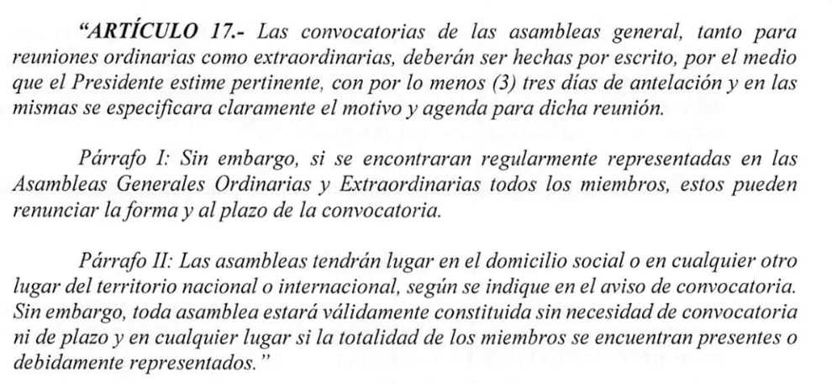 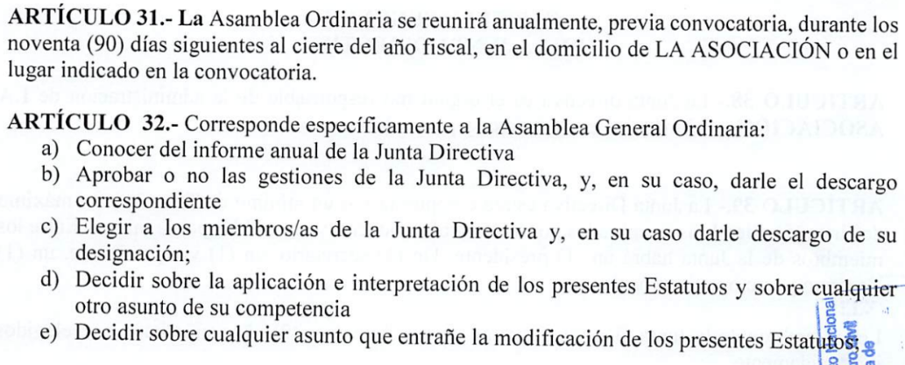 Article 13.- The Board of Directors meets at least once a year or whenever the organization's interest requires. The quorum is reached by half plus one of the members of the Council. Article14.- Board meetings may be held by conference calls. In this case, they must be inserted into the minutes book. Article 15.- Notices to call meetings of the Board of Directors are made by e-mail to members, signed by the President or Executive Director, five (5) days before the scheduled date for the meeting. Exceptionally, the Board of Directors may be convened as a matter of urgency, within a shorter period of time, by any other means of communication. | (d) Each year, two accountants selected by the Board of Directors will act as auditors. Auditors will check the Treasurer's books and certify his financial report in writing. |  | Out of compliance need to file annual budget and report with Ministry of Planning & External Cooperation, entity is currently suspended | Currently suspended, have 3 years to remain in this status or close down. Suspension started January 2024. Technically still under audit with MPEC.

Mauritania | Partners of the Americas Mauritania Inc. | 1. John McPhail - President 2. Michael Moscarelli - Vice Presient 3. Carmen Pena - Tresurer 4. Ian MacNairn - Legal Rrepresentative | Meetings of the Executive Board will take place at least once every two years, at the invitation of the President. |  |  | Need legal representative changed, currently is Ian. Convention de Financement/Financing or Grant Agreement was never signed. The proposed POA “Convention de Financement/Financing or Grant Agreement” was resubmitted to the Ministry of the Economy and Finance in February 2025 after delays at the US Embassy Front Office. The Ministry of the Economy and Finance then shared the Convention with the Ministry of Agriculture, and as of March 31 it is still under review. | Need legal representative changed, currently is Ian. Convention de Financement/Financing or Grant Agreement was never signed. The proposed POA “Convention de Financement/Financing or Grant Agreement” was resubmitted to the Ministry of the Economy and Finance in February 2025 after delays at the US Embassy Front Office. The Ministry of the Economy and Finance then shared the Convention with the Ministry of Agriculture, and as of March 31 it is still under review. No annual fees to keep active other than to have local representation. If operating status changes, need to notify the following entities: Letter to the Ministry of Foreign Affairs and the ministry of agriculture • Explain what happened and the current situation • Inform that we no longer have a physical office address • Specify that employees now work from home • Mention the ongoing Growth+ program to be implemented Letter to CNSS (Social Security) • Notify that we no longer have salaried employees • Request administrative file update Letter to Labor Inspection (Inspection du Travail) • Inform that the organization works only with 2 consultants • Clarify contractual status (consultants, not employees) | 1. Danielle to work with Mounaya to get legal representation transferred to the lawyer. 2. Danielle follow up on landlord deposit return. 3. Danielle and Gustavo to meet on cost wavier responses. 4. Gustavo will follow up with Rym on AgFund MOU status. 5. Danielle will work on letter updates to the 3 ministries/agencies as the lawyer required. 6. Gustavo will follow up with Michael on language for letters. 7. Danielle will process Land Cruiser transfer to CounterPart second week of February.
Mexico | Partners of the Americas Inc. | 1. John McPhail - President |  |  |  | Closing down office with legal support @ $300/month Carmen and Ingrid following up on dissolution Need additional info on accounting services & legal rep services | 1. Lawyers are re-activing the entity now. 2. Lawyers will remain as legal reprentatives through 2/28/26. 3. Ingrid will take over legal representative and John to notarize paperwork to reinstate her as legal representative as of 3/1/26.

Myanmar | Partners of the Americas | 1. John McPhail - President |  |  |  | Anything to follow up on here?
Nigeria
Paraguay | Partners of the Americas Paraguay | 1. John McPhail - President 2. Macarena Jiménez - Legal Representative |  |  |  | Macarena is managing this | Need to reactive and update entity for new TIP project.
Tunisia | Partners of the Americas Tunisia Inc. |  | Meetings of the Executive Board will take place at least once every two years, at the invitation of the President. |  |  | Not a legal entity | No action needed, process was stopped.
Venezuela | Industria Agrocultura, C.A | Gustavo Galdo - Legal Representative |  |  |  | Gustavo will find out the entity dissolution costs | 1. Immediately start to sell/transfer all 4 vehicles in Venezuela. Complete sale by 11/30. 2. process unknown - ask Gustavo for closeout costs to close entity | 1. Carmen will talk to Michael and John and see if we still want to proceed and sell all vehicles, or how to move forward.

